Combinations
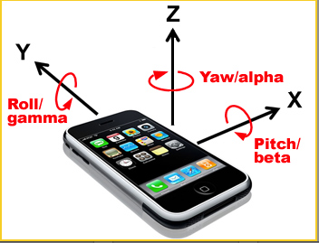
Combinations of Data Sets
Orientation | Speed | Accuracy | Facing | Movement | Most Useful Sensor | Vital for Playback
Portrait | Slow | Ideal | Forward, Screen to User, i.e. facing a wall | CW Yaw | Unknown | No
Landscape (HB Right) | Fast | In-Hand |  | CounterCW Yaw | Unknown | No
Landscape (HB Left) |  |  |  | CW Roll | Teslameter | Yes
 |  |  |  | CounterCW Roll | Teslameter | Yes
 |  |  |  | CW Pitch | Accelerometer | Yes
 |  |  |  | CounterCW Pitch | Accelerometer | Yes
 |  |  |  | Forward, No Rot | Accelerometer | No
 |  |  |  | Right, No Rot | Accelerometer | TBD
 |  |  |  | Left, No Rot | Accelerometer | TBD
 |  |  |  | Down, No Rot | Accelerometer | TBD
 |  |  |  | Back, No Rot | Accelerometer | TBD
 |  |  |  | Up, No Rot | Accelerometer | TBD
 |  |  |  | CW Body Rotation | Teslameter | Yes
 |  |  |  | CCW Body Rotation | Teslameter | Yes
Gyroscope | Detects Rotations, unit are in angle/sec
Accelerometer | Detects acceleration in 3 axis, (i.e. if nec, integrate for speed, double integrate for position)

Input | Process | Output
Values (0,1000) | Set irrelevant values to -1 (ex. Std dev is below __, set to -1) | Values (-1,0,1000)
 | Lossless smoothing of data

